Model
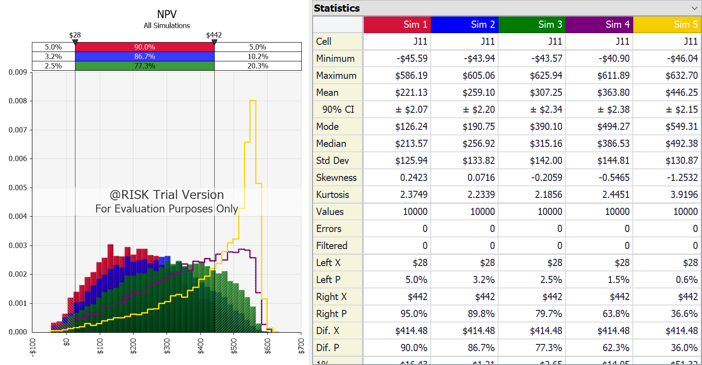
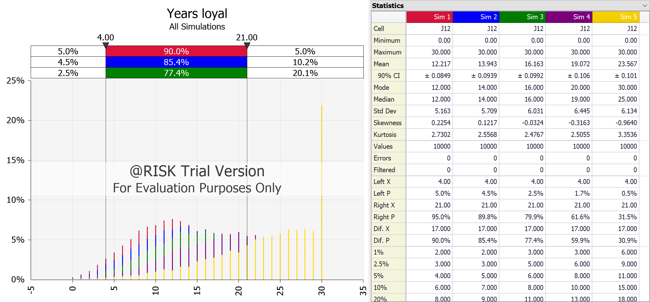
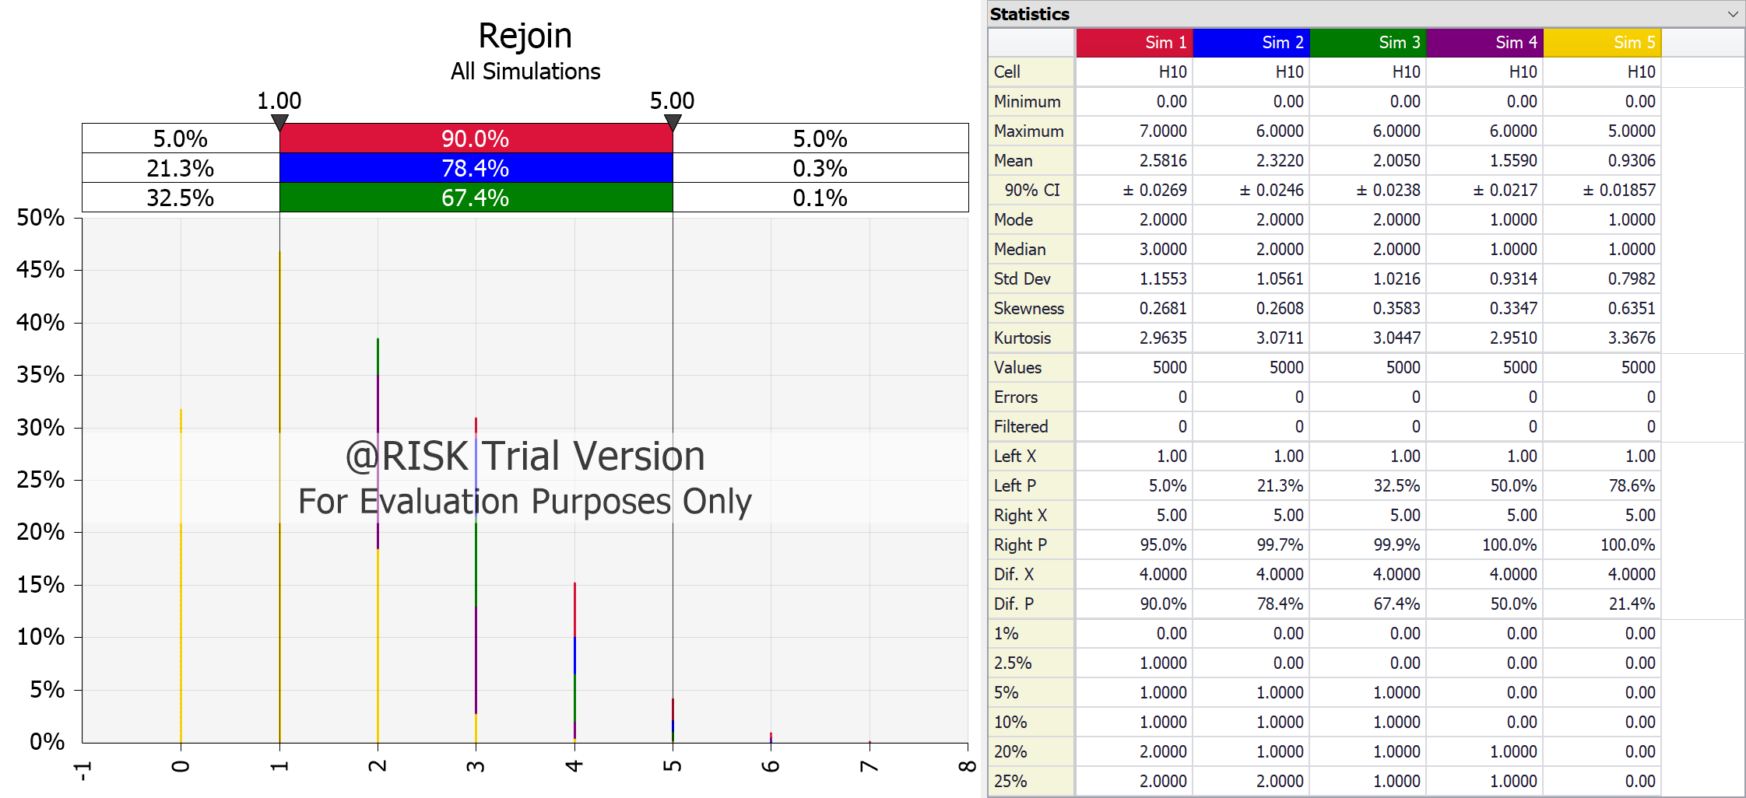
Customer loyalty model in the credit card industry

Inputs |  |  | Retention rates to try
Retention rate | 0.75 |  | 0.75 | 0.80 | 0.85 | 0.90 | 0.95
Rejoin rate | 0.15

Discount rate | 0.15 |  |  |  |  |  | Outputs
Std dev % of mean | 10% |  |  |  |  |  | NPV | $254.64 | 235.63542458
 |  |  |  |  |  |  | Years loyal | 14 | 12.777
 |  |  |  |  |  |  | Rejoin | 3 | 2.389
Simulation
Year | Mean Profit | Stays | Rejoin | Actual profit | Discounted profit
1 | -$40.00 | Yes | No | ($41.21) | ($38.43) |  |  |  |  | Means
2 | $66.00 | Yes | No | $73.59 | $59.67 |  |  |  |  | Simulation | Retention Rate | NPV | Years loyal | Rejoin
3 | $72.00 | Yes | No | $68.14 | $48.04 |  |  |  |  | 1 | 0.75 | 221.13 | 12.22 | 2.58
4 | $79.00 | Yes | No | $71.11 | $43.60 |  |  |  |  | 2 | 0.80 | 259.1 | 13.94 | 2.32
5 | $87.00 | Yes | No | $91.37 | $48.72 |  |  |  |  | 3 | 0.85 | 307.25 | 16.16 | 2
6 | $92.00 | Yes | No | $98.39 | $45.62 |  |  |  |  | 4 | 0.90 | 363.8 | 19.07 | 1.56
7 | $96.00 | No | No | $0.00 | $0.00 |  |  |  |  | 5 | 0.95 | 446.25 | 23.57 | 0.93
Years Loyal
Rejoin
8 | $99.00 | No | No | $0.00 | $0.00
9 | $103.00 | No | No | $0.00 | $0.00
10 | $106.00 | No | No | $0.00 | $0.00
11 | $111.00 | No | No | $0.00 | $0.00
12 | $116.00 | No | No | $0.00 | $0.00
13 | $120.00 | No | No | $0.00 | $0.00
14 | $124.00 | No | No | $0.00 | $0.00
15 | $130.00 | No | No | $0.00 | $0.00
16 | $137.00 | No | No | $0.00 | $0.00
17 | $142.00 | Yes | Yes | $160.56 | $16.00
18 | $148.00 | No | No | $0.00 | $0.00
19 | $155.00 | No | No | $0.00 | $0.00
20 | $161.00 | No | No | $0.00 | $0.00
NPV
21 | $161.00 | No | No | $0.00 | $0.00
22 | $161.00 | No | No | $0.00 | $0.00
23 | $161.00 | Yes | Yes | $161.72 | $6.97
24 | $161.00 | Yes | No | $161.40 | $6.05
25 | $161.00 | Yes | No | $167.43 | $5.45
26 | $161.00 | No | No | $0.00 | $0.00
27 | $161.00 | Yes | Yes | $163.13 | $4.02
28 | $161.00 | Yes | No | $149.84 | $3.21
29 | $161.00 | Yes | No | $177.23 | $3.30
30 | $161.00 | Yes | No | $149.93 | $2.43

